Calculation Sheet
1. During startup of device it is advisable to keep downstream load other than capacitive load such as dc-dc converters disabled until device starts up successfully .
2. High load causes huge thermal stress during startup which leads to thermal shutdown before startup thus causing failed stratup.
3. It is recommended to enable downstream load when VOUT is close to VIN.
4. This calculator provide option for CR,CC and CP load during startup.
5. As practical loads have some turn on threshold(voltage at which they start drawing current) , so user can also input this turn on threshold for each load.
6. Fig 1 shows configuration where downstream load monitors VOUT and gets enabled when VOUT crosses a certain turn on threshold of load.
7. Fig 2 shows configuartion where PG pin of device is used to enable downstream load. Here we are ensuring that load is enabled after eFuse has successfully started up.
Fig 1 Fig 2
TPS22811 Design Calculation Tool

 | Constants Cells
 | Input/SelectCells
 | Calculation Cells
 | Calculated, but can be over-ridden by user
 | Error Cells, Must be Fixed

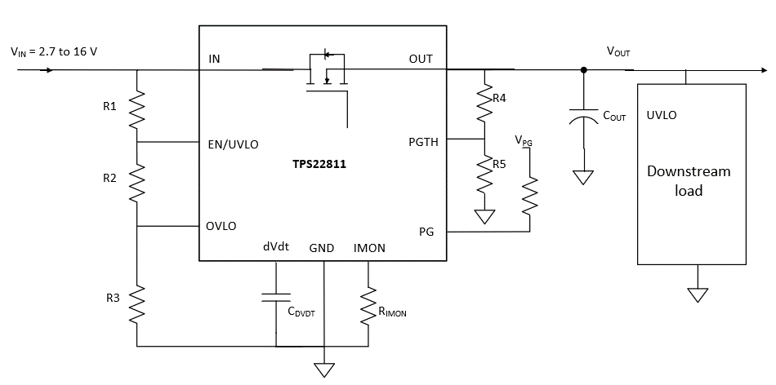
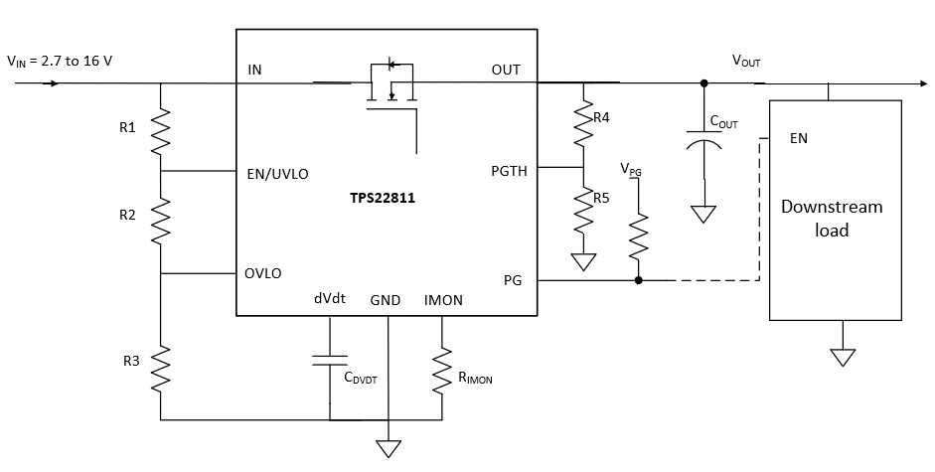
Parameter | Description | Value | Units | Tolerance | Recommended Value
VIN (max) | Maximum Operating input voltage (magnitude) | 12.00 | V
OVLO Set Point | Desired Over Voltage Lockout Set Point | 15.00 | V | 3.0%
UVLO Set Point | Desired Undervoltage Threshold (VIN Rising) | 10.80 | V | 3.0%
VUVP | Internal Undervoltage Protection Threshold (VIN Rising) | 2.53 | V | 3.0%
Cout | Load Capacitance | 100.0 | uF | 10.0%
 | Is there downstream load present other than cap at startup? | YES
VONTH (CR) (V) | constant resistance load turn on threshold voltage | 0.0 | V
RLOAD (STARTUP) (Ω) | CR load at startup | 1.5 | Ohm
VONTH (CC) (V) | constant current load turn on threshold voltage | 1.0 | V
ILOAD (STARTUP) (A) | CC load at startup | 0.0 | A
VONTH (CP) (V) | constant power load turn on threshold voltage | 1.0 | V
PLOAD (STARTUP) (W) | CP load at startup | 0.0 | W
Istartup(A) | It is sum of max downstream load current and load cap charge current during startup .It should be <Imax | 8.22 | A
Imax | Maximum continuous load current (magnitude) | 10.00 | A
TA, MAX | Maximum Operating Ambient temperature | 85.00 | °C

 |  |  |  | -

VIN Thresholds Programmed
UVLO, OVLO set point calculations |  |  |  |  |  |  |  | R2+R3
UVLO Set Point | Desired Undervoltage Threshold (VIN Rising) | 10.80 |  |  |  |  |  | 58.75
OVLO Set Point | Desired Over Voltage Lockout Set Point | 15.00 |  |  |  | 9.76 | Power Fail (VIN Falling) | R2
R1: Pullup at EN/OVLO Pin | Value > 350K recommended | 470.0 | kOhm | 1.0% |  | 10.65 | Release UVLO (VIN Rising) | 164.5
R2_cal | Calculated value of Resistor at EN/OVLO pin | 16.4 | kOhm |  |  | 13.49 | Release OVLO (VIN Falling) | 165
R3_cal | Calculated value of Resistor at EN/OVLO pin | 42.3 | kOhm |  |  | 14.71 | OV Cutoff (VIN Rising) | R3
SELECT THE VALUE OF RESISTORS AS CLOSEST AVAILABLE VALUE OF R2 & R3 |  |  |  |  |  |  |  | 423
R2 | Select the closest possible value as R2_cal | 16.50 | kOhm | 1.00% | 16.5 |  |  | 432
R3 | Select the closest possible value as R3_cal | 43.20 | kOhm | 1.00% | 43.2
UV_final_rising | Undervoltage Threshold (VIN Rising) | 10.65 | V | 3.5% |  |  |  | 526.31578947
UV_final_falling | Undervoltage Threshold (VIN Falling) | 9.76 | V | 6.5% |  |  |  | 523
OV_final_rising | Overvoltage Threshold (VIN Rising) | 14.71 | V | 3.5%
OV_final_falling | Overvoltage Threshold (VIN Falling) | 13.49 | V | 6.5% |  |  |  | 552.94117647
I_R123 | Current in R1, R2 and R3 Branch | 22.65 | uA |  |  |  |  | 562

Calculations for CURRENT MONITOR
VIMON_max | Desired maximum voltage at analog current monitor pin | 0.5 | V
RIMON_max | Calculated maximum allowed resistance at IMON pin | 526.3 | Ohm
RIMON_sel | Select the closest possible value as RIMON_max | 523 | Ohm | 1.00%
VIMON_final | Maximum voltage at IMON for maximum load current | 0.49685 | V | 3.8%
It's also recommended to add a zener on the IMON pin to clamp the voltage below 1.8 V during high current transients. |  |  | VIMON is Within Limits

PGset point calculations
Desired PG threshold | Power good voltage threshold | 11.40 | V | 3.0%
R4: Pullup at PGTH pin | Select a value > 100k to keep I_R45 low | 47.0 | kOhm | 1.0%
R5_cal | Calculated value of Resistor at PGTH pin | 5.5 | kOhm
SELECT THE VALUE OF RESISTOR AS CLOSEST AVAILABLE VALUE OF R5
R5 | Select the closest possible value as R5_cal | 5.62 | kOhm | 1.00%
PG_final_rising | Power Good Threshold (Rising) | 11.24 | V | 3.3%
PG_final_falling | Power Good Threshold (Falling) | 10.30 | V | 6.5%
I_R45 | Current in R4, R5 Branch | 228.05 | uA

Calculations for SoftStart control (external cap on dVdt pin)
Parameter | Description | Value | Units | Tolerance
I_dVdt | Internal charging current on dVdt | 3.49 | uA | 10.4%
Icharge_fastest | Charging current when charging at fastest possible rate | 2.42 | A
Tchg_fastest | when no external capacitor is connected (max. slew rate) | 0.50 | ms | 15.0%
Tchg_req | The charging time required | 5.00 | ms
Icharge_req | Charging (inrush) current desired in the system | 1.00 | A
Cext_dvdt_cal1 | calculated value of capacitor at dVdT pin for required Tcharge | 1375.00 | pF
Cext_dvdt_cal2 | calculated value of capacitor at dVdT pin for required Icharge | 330.00 | pF
SELECT A CAPACITOR WITH THE CLOSEST POSSIBLE VALUE to max(Cext_dvdt_cal1, Cext_dvdt_cal2) |  |  |  |  | 1.38
CdVdT_ext | The external capacitor connecetd across dVdT pin (OPEN, or >=1nF) | 1.50 | nf | 10.0%
Tchg_dvdt | charge time set | 5.45 | ms | 10.0%
Icharge | Charging Current as per dVdT setting | 220.00 | mA | 14.1% | 1.5

 | Will the System have glitch-free startup? | MARGINAL
For CdVdt > 10 nF, it's recommended to add a 100-Ω resistor in series with the capacitor on the dVdt pin |  | Device may be experiencing high average or gradually increasing power dissipation during startup. Here are a few options to try out to achieve successful startup: 1. Decrease resistive load 2. Decrease CDVDT cap 3. Decrease ambient temperature

Steady state Voltage drop & Power dissipation
Parameter | Description | Value | Units | Tolerance
Vdrop | Maximum voltage drop across device @ 25 degC | 60.00 | mV
Pdiss_Imax | Steady state power dissipation with Max current @ 25degC | 600.00 | mW

Parameters internal to Device
Internal FET Parameters
Parameter | Description | Value | Units | Tolerance
VIN(Max) | Maximum input voltage | 16.0 | V
ID(max) | FET drain-source current rating (maximum) | 10.0 | A
Rds(on)(typ) | FET Rds(on) for –40°C ≤ TJ ≤ 125°C | 6.0 | mOhm

Thermal Parameters
Tj(max) | Device maximum junction temperature | 154.0 | C
RJA | Junction to ambient thermal resistance | 49.7 | C/W

Internal References
UVref | Internal Undervoltage reference (Falling) | 1.10 | V | 6.3%
OVref | Internal Overvoltage reference (Rising) | 1.20 | V | 3.0%
GainIMON | Current monitor gain | 95.00 | uA/A | 3.7%
PGTH | Internal Power good reference(Rising) | 1.20 | v

